Form 3 - SRE ( 2nd Qrtr.)
BUREAU OF LOCAL GOVERNMENT FINANCE DEPARTMENT OF FINANCE http://blgf.gov.ph/ (DOF-BLGF Memorandum Circular No. 023-2019 dated January 22, 2019, Annex A)
STATEMENT OF RECEIPTS AND EXPENDITURES

 | REGION: | REGION VII - CENTRAL VISAYAS |  | CALENDAR YEAR: | 2023
 | PROVINCE: | CEBU |  | QUARTER/ | 2
 | CITY/MUNICIPALITY: | CITY OF BOGO |  | PERIOD COVER:

Particulars |  |  | Income/Target Budget Appropriations | General Fund | SEF | Total
LOCAL SOURCES
TAX REVENUE
 | Real Property Tax |  |  | 9,500,000.00 | 8,450,000.00
 | Tax on Business
 | Other Taxes |  |  | 30,000,000.00
NON TAX REVENUE
 | Regulatory Fees 9permits and Licenses |  |  | 34,000,000.00
 | Sevice/UserCharges (Service Income)
 | Receipts from Economic Enterprises (Business Income) |  |  | 52,500,000.00
 | Other Receipts (Other General Income) |  |  | 12,000,000.00
EXTERNAL SOURCES
 | Internal Revenue Allotment |  |  | 635,457,794.00
 | Other Shares from National Tax Collections
 | Inter-Local Transfers
 | Extraordinary Receipt/Grants/Donations/Aids
TOTAL CURRENT OPERATING INCOME |  |  |  | 773,457,794.00 | 8,450,000.00
ADD SUPPLEMENT BUDGET(UNAPPROPRIATED SURPLUS)
FOR CURRENT OPERATING EXPENDITURES |  |  |  | 112,707,083.34
TOTAL AVAILABLE FOR CURRENT OPERATING EXPENDITURES |  |  |  | 886,164,877.34 |  |  | 2,276.00
LESS CURRENT OPERATING EXPENDITURES (PS + MOOE + FE)
 | General Pubic Services |  |  | 599,929,676.34
 | Education, Culture & Sports/Manpower Development |  |  | 5,766,376.00 | 8,450,000.00
 | Health, Nutrition & Population Control |  |  | 45,136,954.00
 | Labor and Employment
 | Housing and Community Development
 | Scial Services and Social Welfare |  |  | 11,406,407.00
 | Economic Services |  |  | 196,847,188.00
 | Debt Service (FE) (InterestExpense & Other Charges) |  |  | 27,076,000.00
TOTAL CURRENT OPERATING EXPENDITURES |  |  |  | 886,162,601.34 | 8,450,000.00
NET OPERATING INCOME (LOSS) FROM CURRENT OPERATIONS
ADD:NON-INCOME RECEIPTS
CAPITAL/INVESTENT RECEIPTS
 | Proceeds from Sale of Assets
 | Proceeds from Sale of Debt Securities of Other Entities
 | Collection of loans Receivables
RECEIPTS FROM LOANS AND BORROWINGS (Payable)
 | Acquisition of Loans
 | Issuance of Bonds
OTHER NON-INCOME RECEIPTS
TOTAL INCOME RECEIPTS
ADD: SUPPLEMENTAL BUDGET FOR CAPITAL OUTLAY
TOTAL AMOUNT AVAILABLE FOR CAPITAL EXPENDITURES
LESS: NON-OPERATING EXPENDITURES
CAPITAL/INVESTMENT EXPENDITURES
Purchase/Construct of Property Plant and Equipment (Assets/Capital Outlay)
 | Puchase of Debt Securities of Other Entities (Investment Outlay)
 | Grant/Make Loan to Other Entities (Investment Outlay)
DEBT SERVICE (Principal Cost)
 | Payment of Loan Amortization
 | Retiremet/Redemption of Bonds/Debt Securities
OTHER NON-OPERATING EXPENDITURES
TOTAL NON-OPERATING EXPENDITIRES
NET INCREASE/(DECREASE) IN FUNDS
ADD:CASH BALANCE, BEGINNING
FUND/CASH AVAILABLE
LESS: Payment of Prior Year/s Accounts Payable
CONTINUING APPROPRIATION
ADD:ADVANCE PAYMET FR RPT
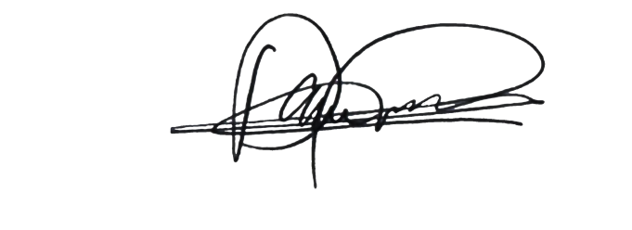
FUND/CASH BALANCE, END |  |  |  | 2,276.00 | - | -

 | Prepared By: |  |  |  | Approved By:
 | JULIO S. URSONAL | ATTY. JOSE NEIL D. LUMONGSOD | DANTE J. MAYOR |  | ATTY. CARLO JOSE A. MARTINEZ
 | City Treasurer | OIC - City Accountant | City Budget Officer |  | City Mayor

